TANK DATA
 |  | TANK DESCRIPTION

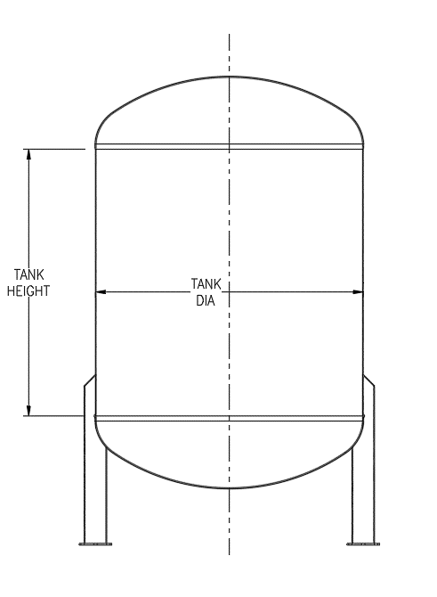
PURCHASER / CLIENT
EQUIPMENT NO./NAME
LOCATION:
QUANTITY
SAMPLE
DESIGN DATA
ITEM
DESIGN CODE
TOP HEAD TYPE
BOTTOM HEAD TYPE
TANK DIAMETER (OD / ID)
SHELL HEIGHT
DESIGN PRESSURE (PSI)
DESIGN TEMPERATURE
SPECIFIC GRAVITY
CORROSION ALLOWANCE
SEISMIC LOADING | Ss
S1
WIND LOADING
SUPPORT TYPE

ATTACHMENTS AND EXTRAS |  |  | ADDITIONAL REQUIREMENT
ITEM
HANDRAIL
LADDER
PLATFORM
JACKET
INTERNAL COIL
OTHER

MATERIAL OF CONSTRUCTION
COMPONENT | MATERIAL
SHELL / HEADS

NOZZLE SCHEDULE
MARK | SERVICE | SIZE |  | TYPE | CLASS

